Original
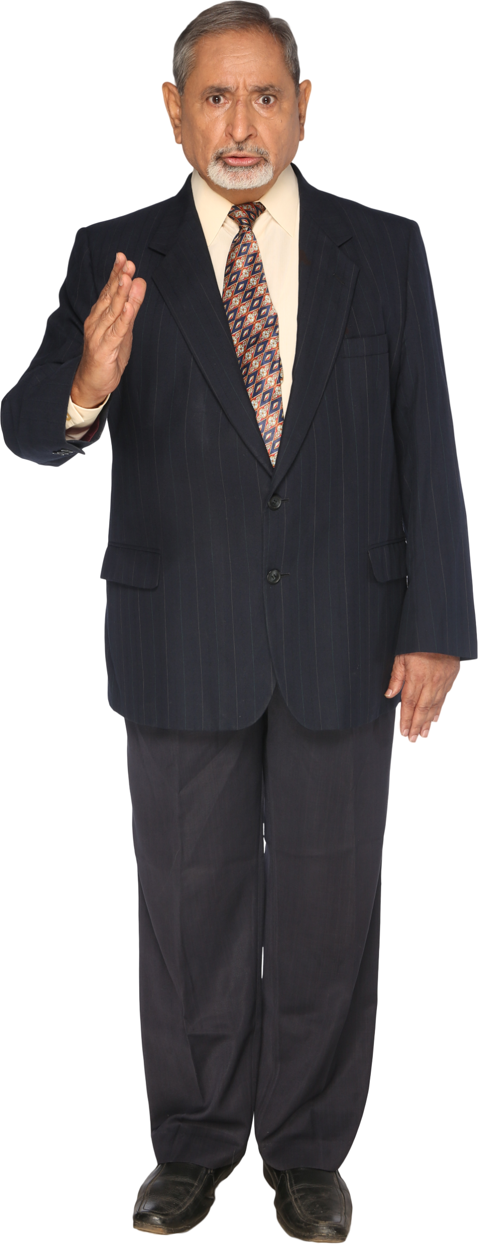
 |  | Answer Expected
Winners | Years | Year | Winner | Link
Argentina | 2022, 1986, 1978 | 2022 | Argentina
France | 2018, 1998 | 2018 | France
Germany | 2014, 1990, 1974, 1954 | 2014 | Germany
Spain | 2010 | 2010 | Spain
Italy | 2006, 1982, 1938, 1934 | 2006 | Italy
Brazil | 2002, 1994, 1970, 1962, 1958 | 2002 | Brazil
England | 1966 | 1998 | France
Uruguay | 1950, 1930 | 1994 | Brazil
 |  | 1990 | Germany
 |  | 1986 | Argentina
 |  | 1982 | Italy
Align the soccer WC champions year wise (year in descending order).
 |  | 1978 | Argentina
 |  | 1974 | Germany
 |  | 1970 | Brazil
 |  | 1966 | England
 |  | 1962 | Brazil
 |  | 1958 | Brazil
 |  | 1954 | Germany
 |  | 1950 | Uruguay
 |  | 1938 | Italy
 |  | 1934 | Italy
 |  | 1930 | Uruguay

